Data
loads | cycles | censor
53 | 5000721 | 0
67 | 5000212 | 0
99 | 5000180 | 0
145 | 3996036 | 1
135 | 5000000 | 1
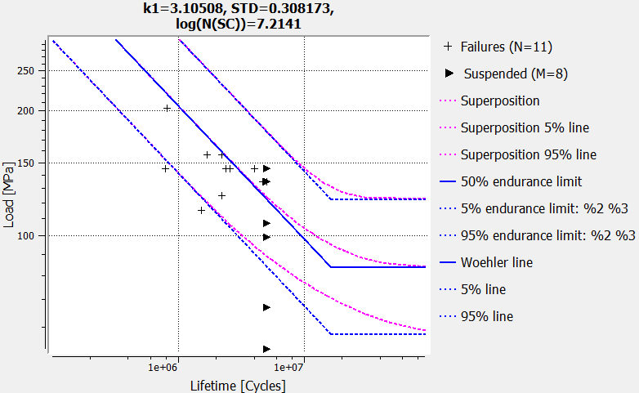
145 | 5000148 | 0
157 | 2225681 | 1
145 | 5000147 | 0
135 | 5000150 | 0
145 | 794395 | 1
135 | 5000150 | 0
145 | 2372287 | 1
157 | 1699544 | 1
145 | 2567294 | 1
135 | 4700123 | 1
125 | 2229989 | 1
115 | 1521118 | 1
107 | 5000152 | 0
203 | 808263 | 1

Jurojin_results
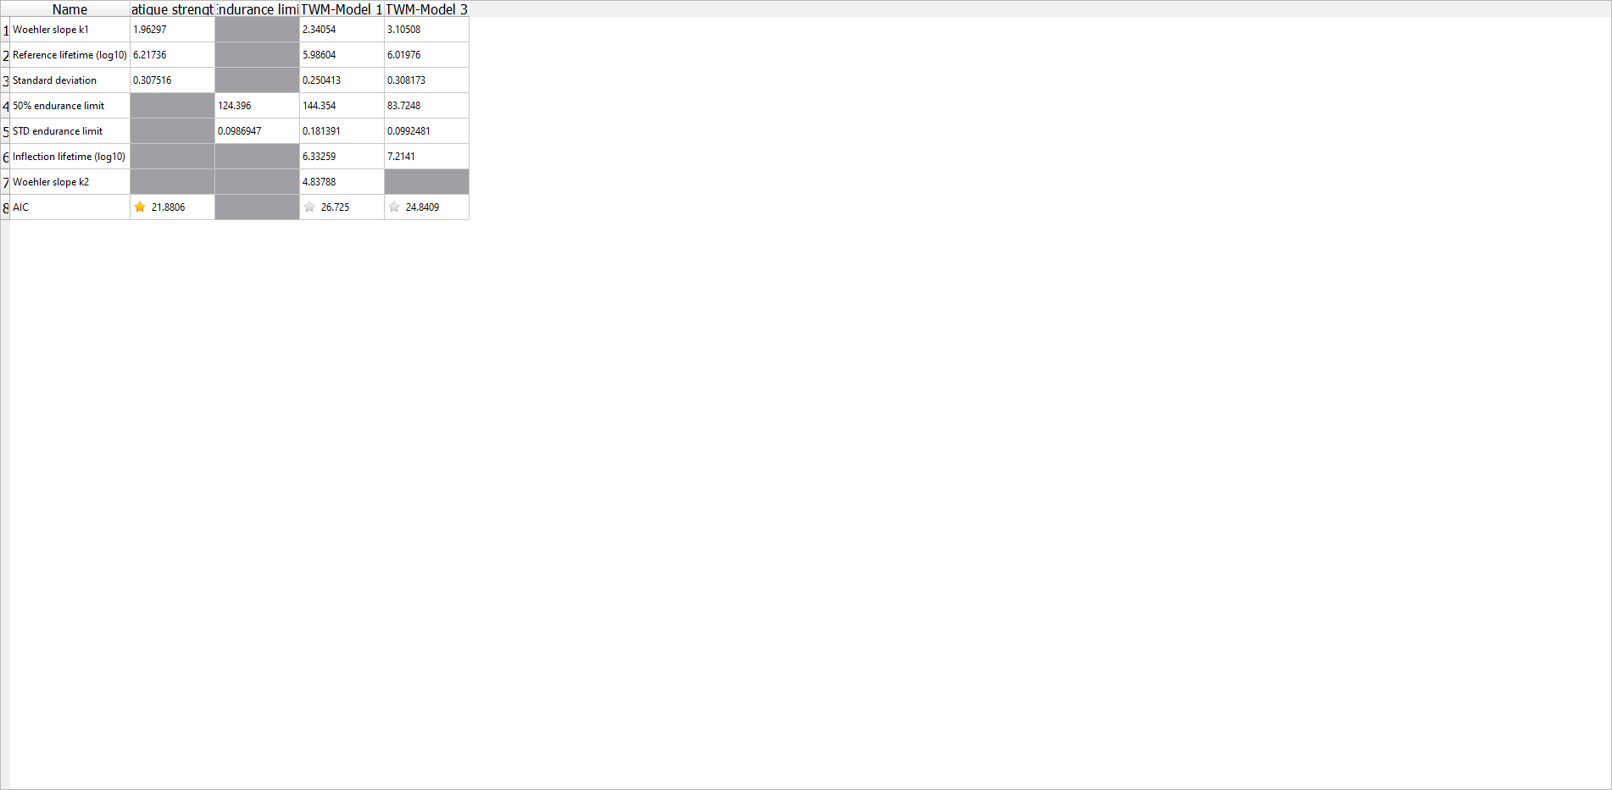
k | 3.1
ND | 16371934.558
Pü50 | 84
slog | 0.099

